Hoja 1
Instalar el 7.2 de zimcom.
instalar llaves
KitInicial
subscription-manager register --username conexiainc --password Sabado5003- --auto-attach
subscription-manager release --set '7.4'
yum list kernel
yum check-update
yum clean all
yum update -y && reboot
uname -a
uname -r
cat /etc/os-release
cat /etc/redhat-release
Aplicar kit inicial RHEL

yum -y install wget sysstat iostat lsof nload mutt bload htop nmon ps_mem sar bmon slurm tcptrack iftop iptraf ntp vnstat vim

crear el /u01 de 100 gbs
fdisk /dev/sdb
n.... 8e..... w...
partprobe
mkfs.xfs /dev/sdb1
vim /etc/fstab
i
/dev/sdb1 /u01 xfs defaults 0 0
mkdir /u01
mount -a

groupadd -g 54321 oinstall
groupadd -g 54322 dba
groupadd -g 54323 oper
groupadd -g 54324 backupdba
groupadd -g 54325 dgdba
groupadd -g 54326 kmdba
groupadd -g 54327 asmdba
groupadd -g 54328 asmoper
groupadd -g 54329 asmadmin
groupadd -g 54330 racdba

useradd -u 54321 -g oinstall -G dba,asmdba,backupdba,dgdba,kmdba,racdba oracle
useradd -u 54322 -g oinstall -G asmadmin,asmdba,racdba grid

mkdir -p /u01/app/12.1.0/grid
mkdir -p /u01/app/grid
mkdir -p /u01/app/oracle
chown -R grid:oinstall /u01
chown oracle:oinstall /u01/app/oracle
chmod -R 775 /u01/

cd /u01
Subir el cvupack_Linux_x86_64.zip /u01
chown oracle:oinstall cvupack_Linux_x86_64.zip

yum install unzip

su - oracle
cd /u01
mkdir cvu
mv cvupack_Linux_x86_64.zip ./cvu
cd cvu
unzip cvupack_Linux_x86_64.zip
cd bin
./cluvfy stage -pre crsinst -n $(hostname) -fixup -verbose

Abrir otra ventana y ejecutar lo que dice:

Execute "/tmp/CVU_12.2.0.1.0_oracle/runfixup.sh" as root user on nodes "sfc-app-test-3" to perform the fix up operations manually

ENTER

./cluvfy stage -pre crsinst -n $(hostname) -fixup -verbose | tee ~/cluvfy_preinst_$RANDOM.log

chown grid:oinstall linuxamd64_12102_grid_1of2.zip linuxamd64_12102_grid_2of2.zip

Abrir Firewall | Verifying Multicast check ...FAILED (PRVG-11138)
firewall-cmd --permanent --direct --add-rule ipv4 filter INPUT 0 -m pkttype --pkt-type multicast -j ACCEPT
firewall-cmd --permanent --direct --add-rule ipv6 filter INPUT 0 -m pkttype --pkt-type multicast -j ACCEPT
firewall-cmd --reload

Configurar el ntp | Verifying Network Time Protocol (NTP) ...FAILED (PRVG-1017)
yum -y install ntp
systemctl enable ntpd
ntpdate 0.centos.pool.ntp.org
systemctl restart ntpd

Buscar la version exacta de cvuqdisk | Verifying Package: cvuqdisk-1.0.10-1 ...FAILED (PRVG-11551)
find /u01 -type f -name cvu*.*

editar el fstab | Verifying /dev/shm mounted as temporary file system ...FAILED (PRVE-0421)
G
i
tmpfs /dev/shm tmpfs size=7500M 0 0

Cambiar semopm | Verifying OS Kernel Parameter: semopm ...FAILED (PRVG-1205)
sysctl -w kernel.sem="250 32000 100 128"

Cambiar el file-max | Verifying OS Kernel Parameter: file-max ...FAILED (PRVG-1205)
sysctl -a | grep file-max
sysctl -w fs.file-max=6815744

CAmbiar rmem | Verifying OS Kernel Parameter: rmem_default ...FAILED (PRVG-1205)
sysctl -a | grep rmem_default
sysctl -w net.core.rmem_default=262144

cambiar rmem_max | Verifying OS Kernel Parameter: rmem_max ...FAILED (PRVG-1205)
sysctl -a | grep rmem_max
sysctl -w net.core.rmem_max= 4194304

Cambiar wmem_default | Verifying OS Kernel Parameter: wmem_default ...FAILED (PRVG-1205)
sysctl -a | grep wmem_default
sysctl -w net.core.wmem_default=262144

Cambiar wmem_max | Verifying OS Kernel Parameter: wmem_max ...FAILED (PRVG-1205)
sysctl -a | grep wmem_max
sysctl -w net.core.wmem_max=1048576

Cambiar aio-max-nr | Verifying OS Kernel Parameter: aio-max-nr ...FAILED (PRVG-1205)
sysctl -a | grep aio-max-nr
sysctl -w fs.aio-max-nr=1048576

vim /etc/security/limits.conf
G
i
grid hard nofile 65536 oracle hard nofile 65536

Preparo el X11
yum install xorg-x11-xauth xorg-x11-fonts-* xorg-x11-font-utils xorg-x11-fonts-Type1 xclock xorg-x11-utils
xclock

yum install -y --nogpgcheck oracleasm-support (https://www.oracle.com/technetwork/server-storage/linux/asmlib/rhel7-2773795.html)
wget http://download.oracle.com/otn_software/asmlib/oracleasmlib-2.0.12-1.el7.x86_64.rpm
yum install -y --nogpgcheck oracleasmlib-2.0.12-1.el7.x86_64.rpm
yum install -y --nogpgcheck compat-libstdc++-33 ( subscription-manager repos --enable=rhel-7-server-optional-rpms )

# oracleasm configure -i
Default user to own the driver interface []: grid
Default group to own the driver interface []: asmadmin
Start Oracle ASM library driver on boot (y/n) [n]: y
Scan for Oracle ASM disks on boot (y/n) [y]: y
# oracleasm init
systemctl enable oracleasm
systemctl start oracleasm
systemctl status -l oracleasm

oracleasm createdisk DISK1 /dev/sdc1
oracleasm createdisk DISK2 /dev/sdd1

oracleasm listdisks

reboot

Instalamos GRID
ingresar con grid
cd /u01
unzip linuxamd64_12102_grid_1of2.zip
unzip linuxamd64_12102_grid_1of2.zip
cd /u01/grid/
./runInstaller
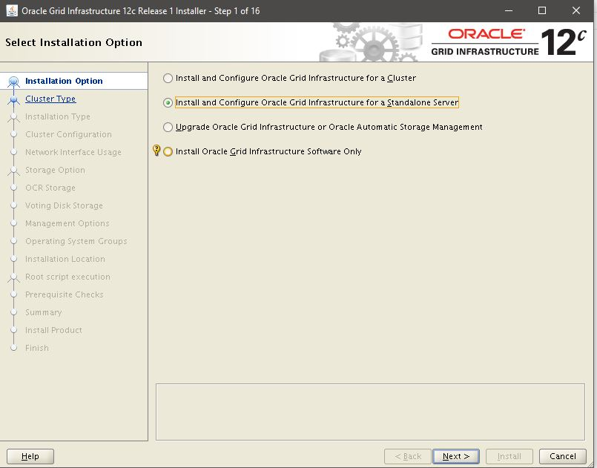

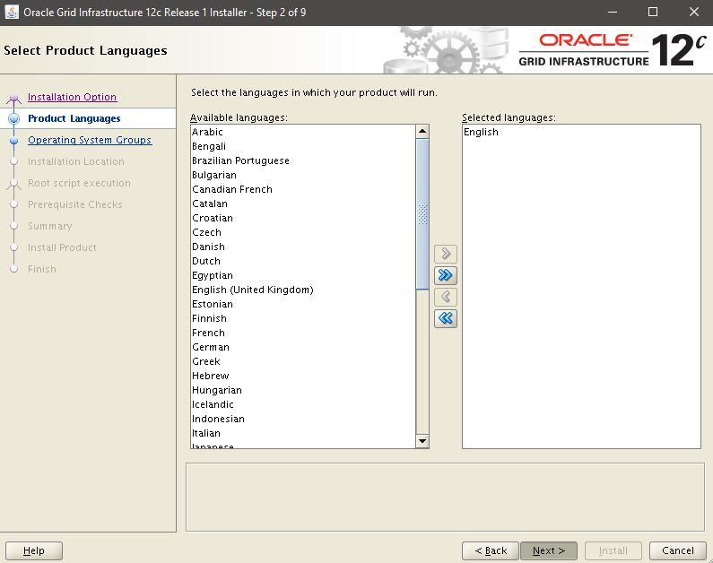

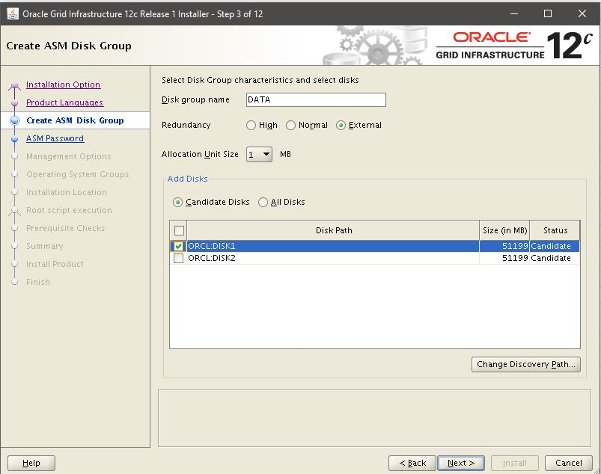

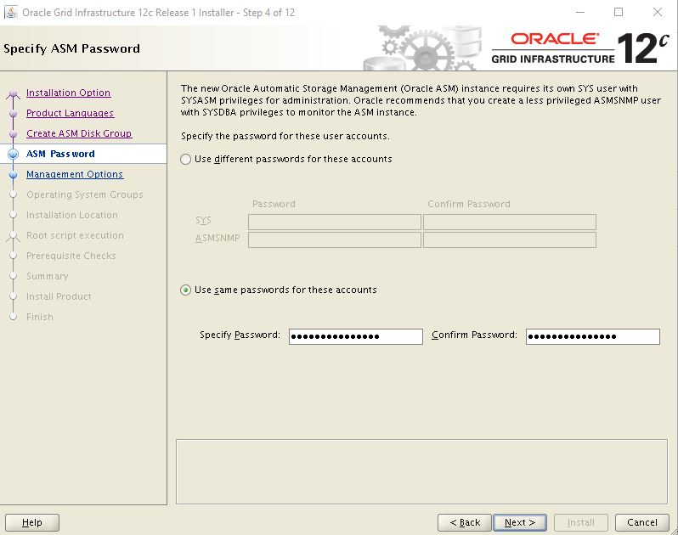

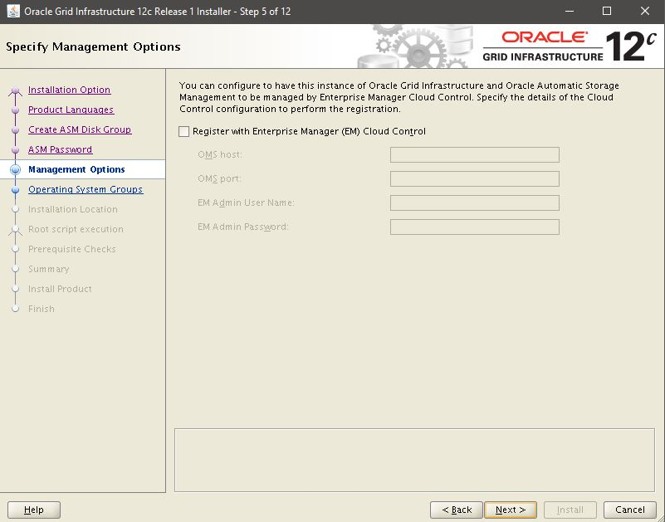

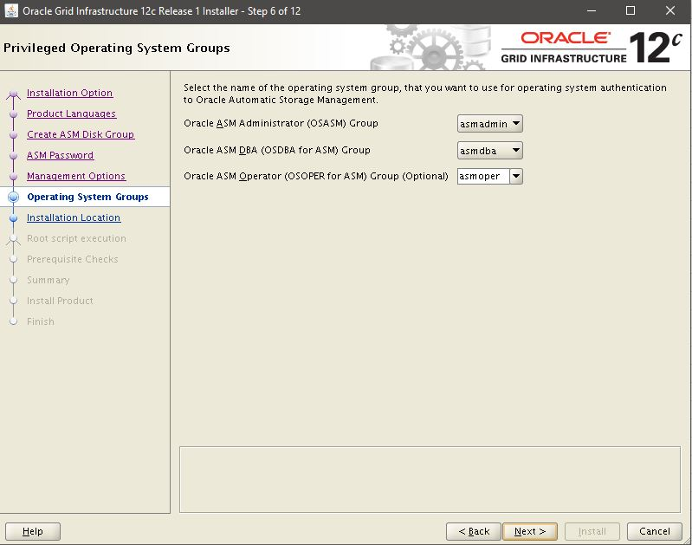

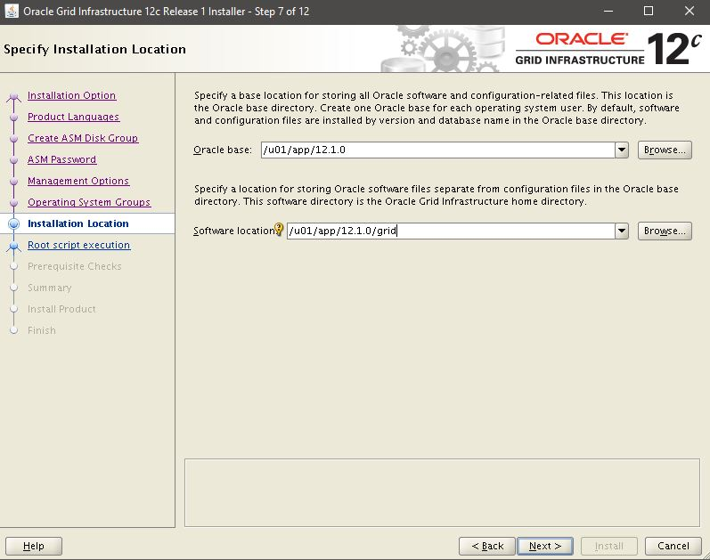

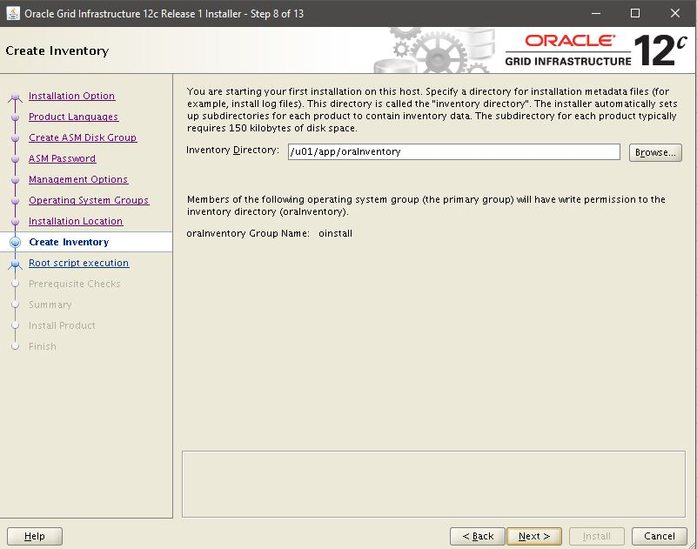

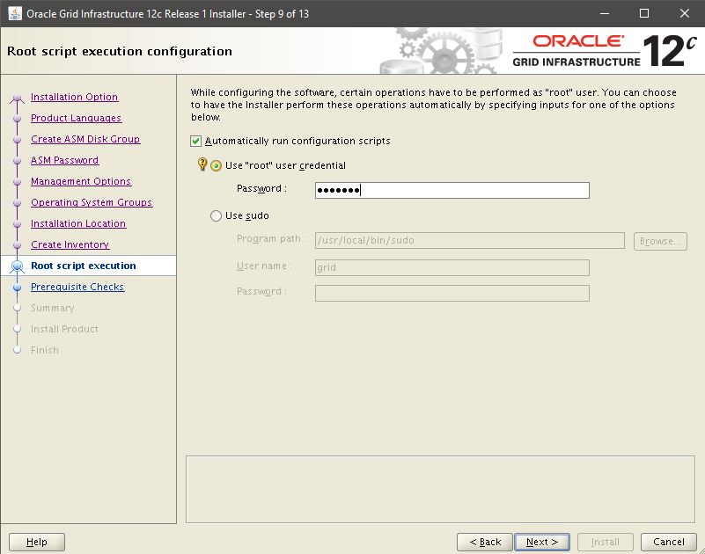

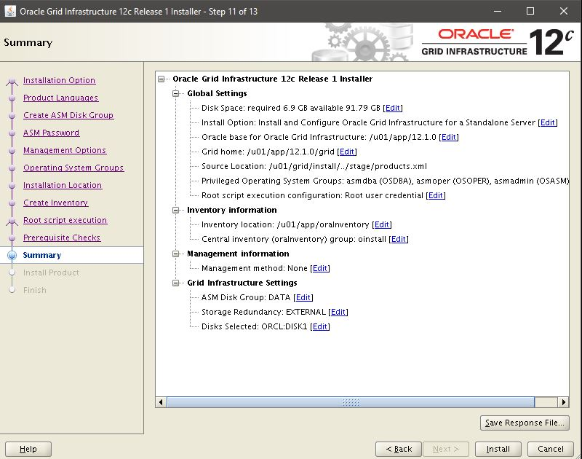

Install!

Close!

con grid vim .bash_profile
export ORACLE_BASE=/u01/app/12.1.0
export ORACLE_HOME=$ORACLE_BASE/grid/
export GRID_HOME=$ORACLE_HOME
export CRS_HOME=$ORACLE_HOME
export ORACLE_SID=+ASM
export TNS_ADMIN=$ORACLE_BASE/grid/network/admin
export PATH=$ORACLE_HOME/bin:$PATH

$ asmca --> x11
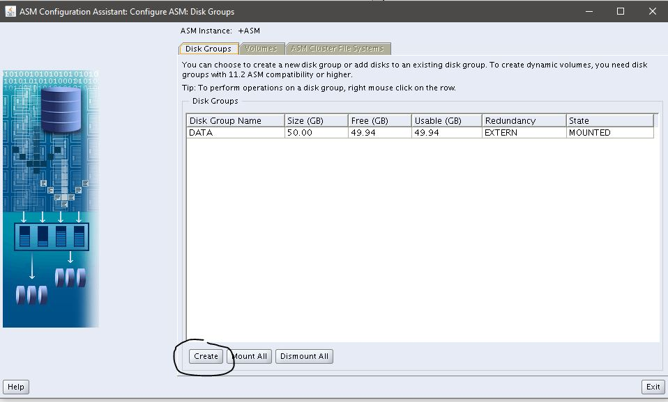

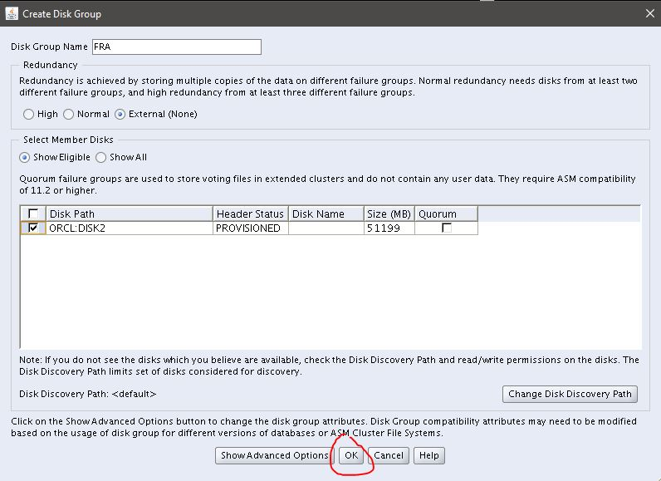

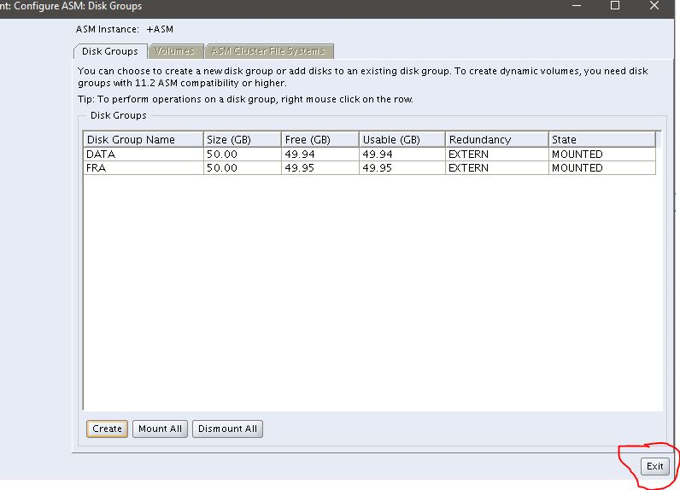

Entrar con oracle

cd /u01/database
./runInstaller

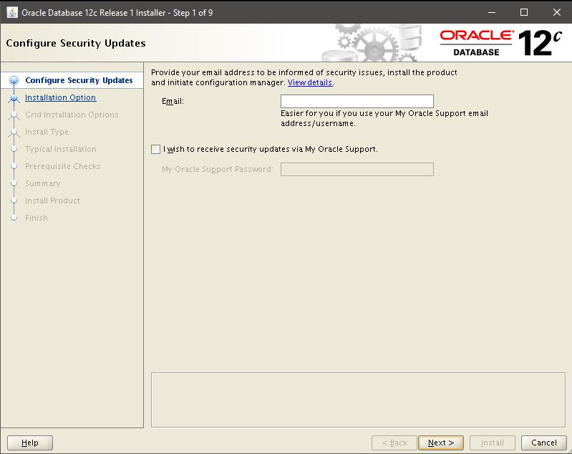

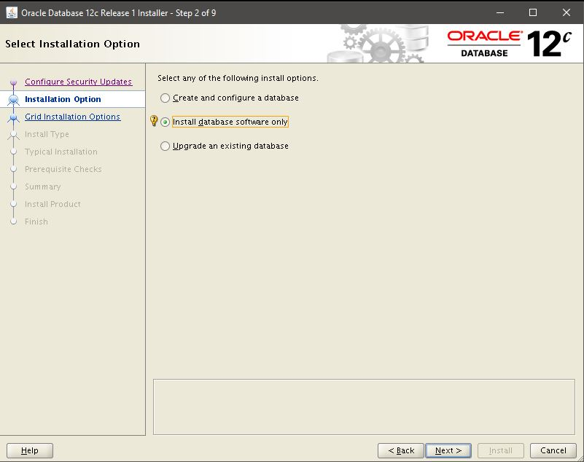

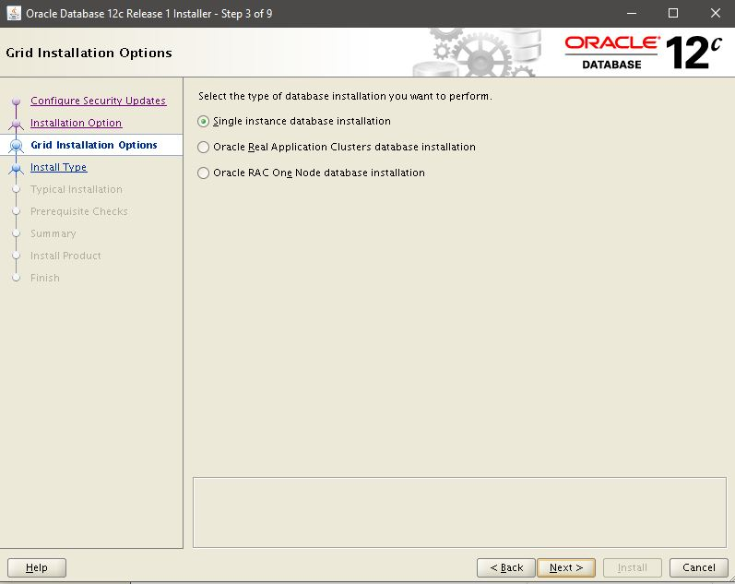

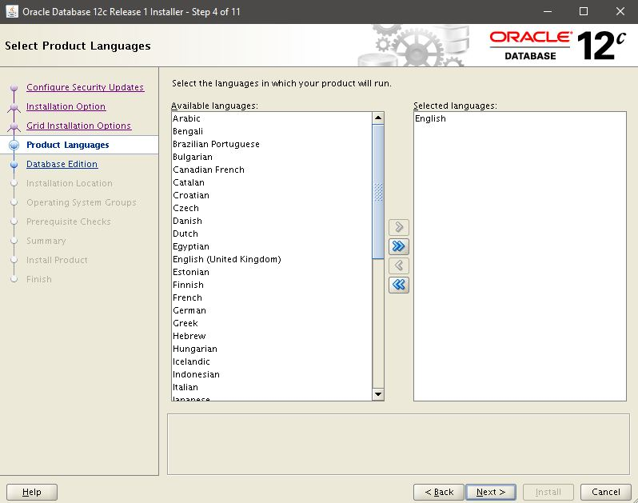

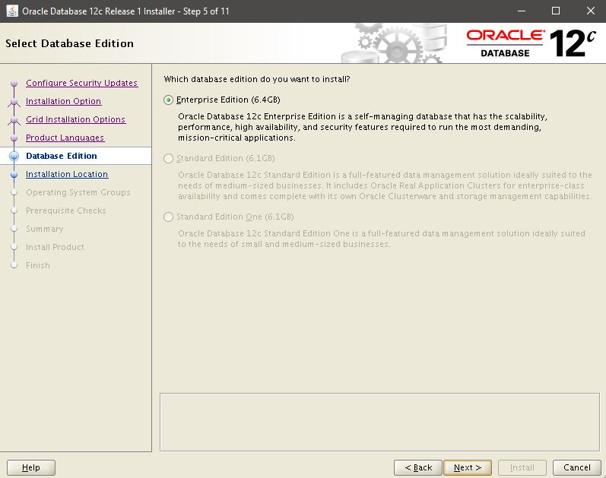

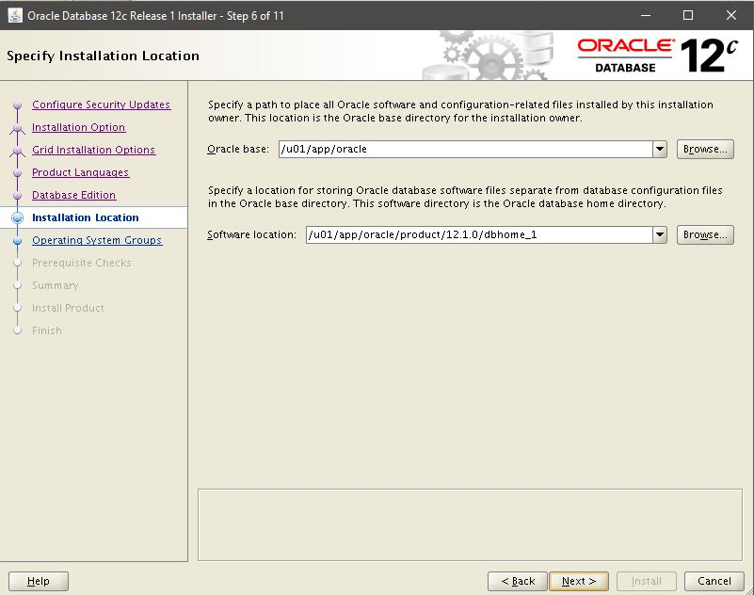

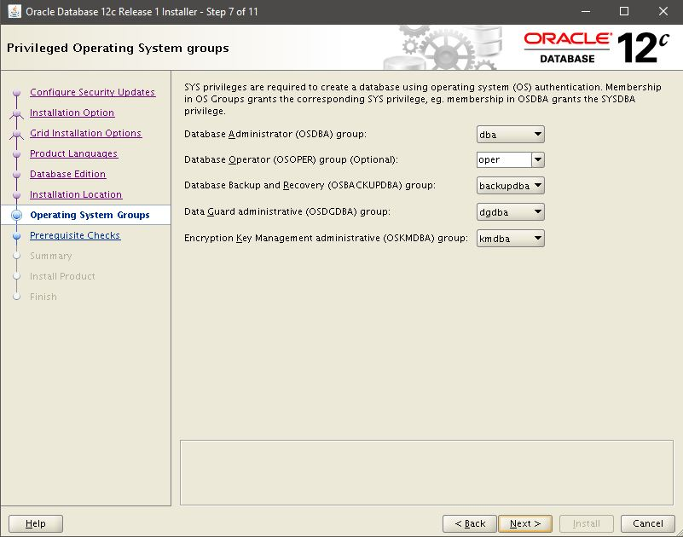

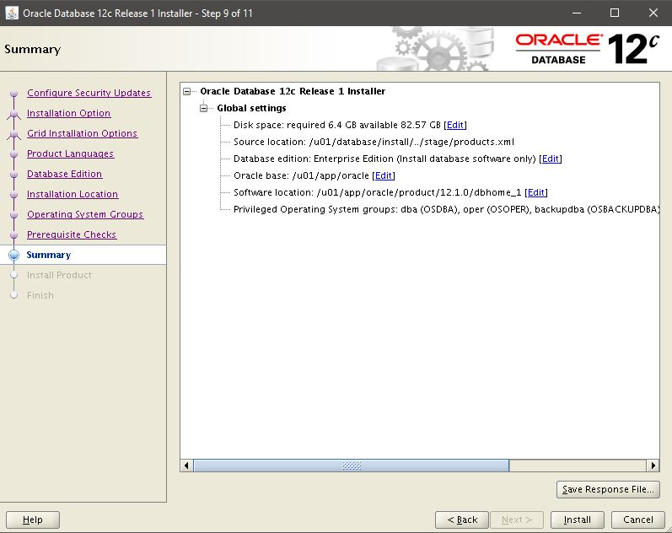

./root.sh
Enter the full pathname of the local bin directory: [/usr/local/bin]:

Close!

su - oracle
vim .bash_profile
G + i
export ORACLE_BASE=/u01/app/oracle
export ORACLE_HOME=$ORACLE_BASE/product/12.1.0/dbhome_1
export ORACLE_SID=SFD
export PATH=$ORACLE_HOME/bin:$PATH:$HOME/.local/bin:$HOME/bin

$ dbca

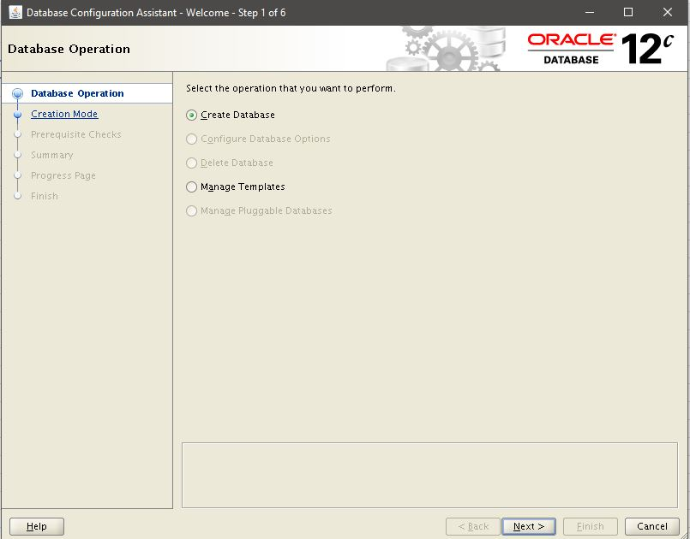

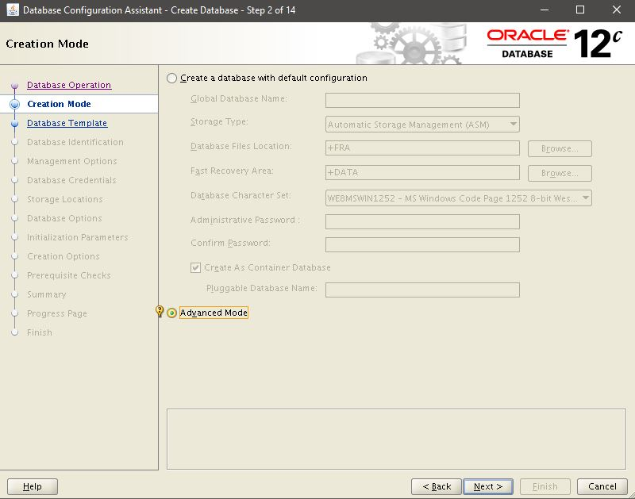

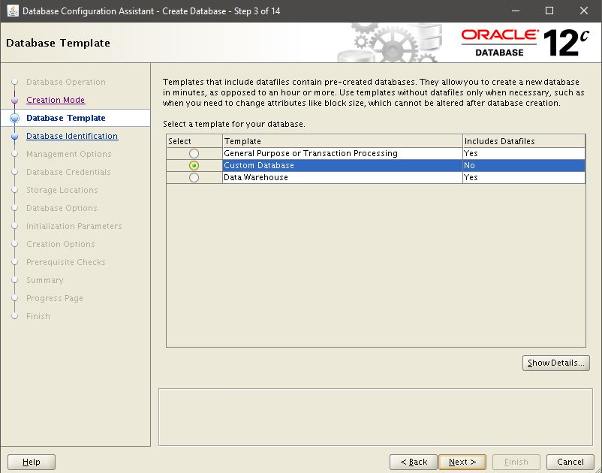

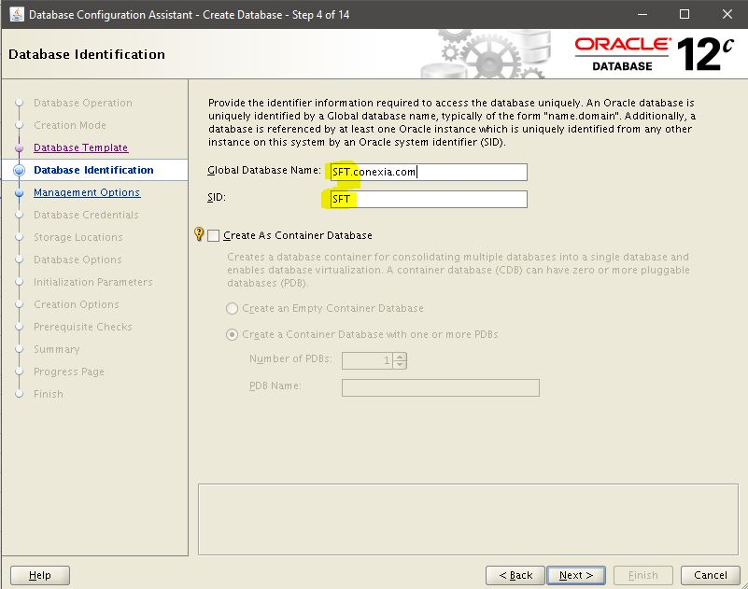

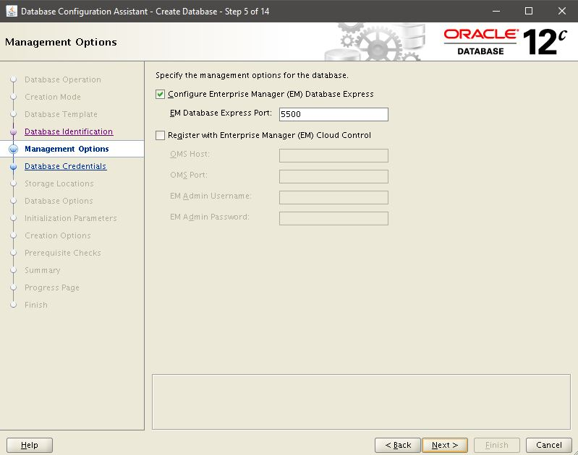

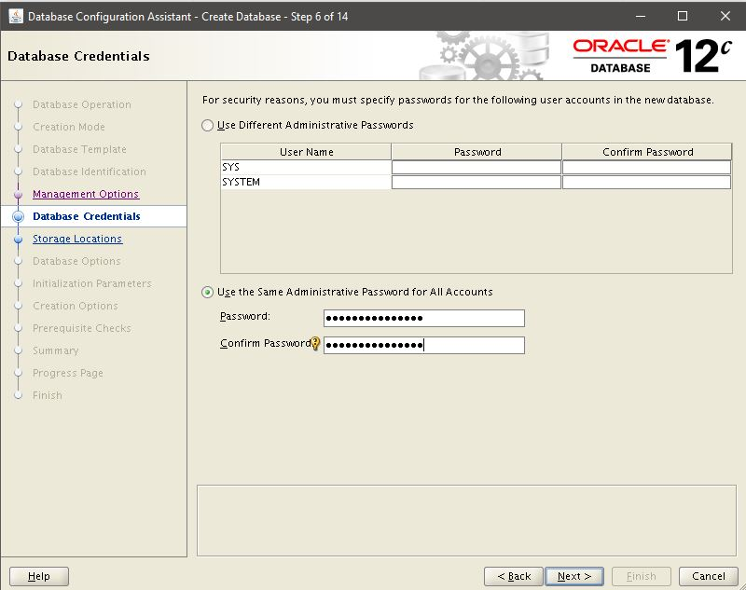

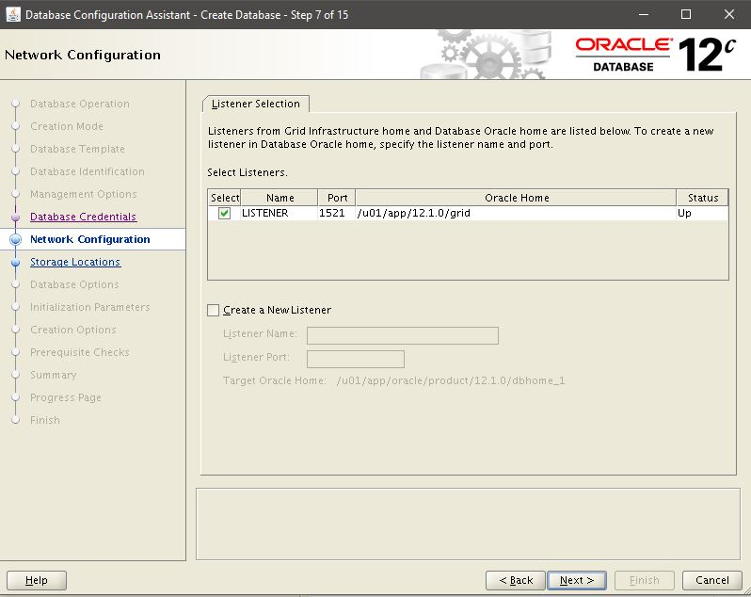

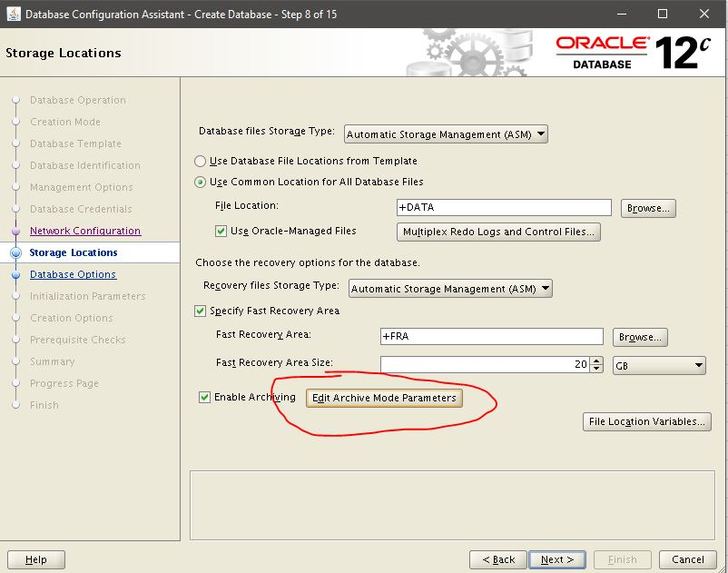

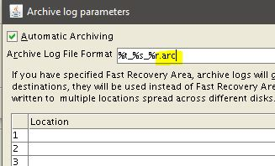

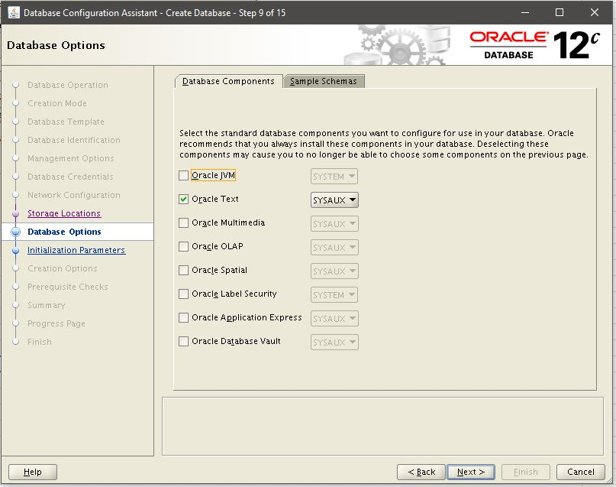

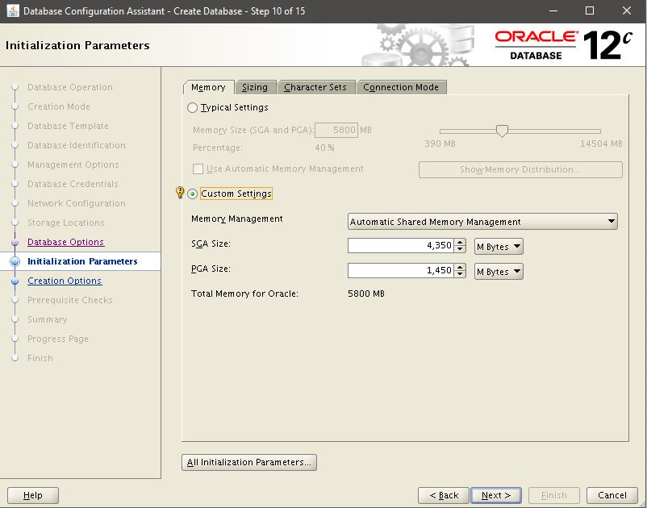

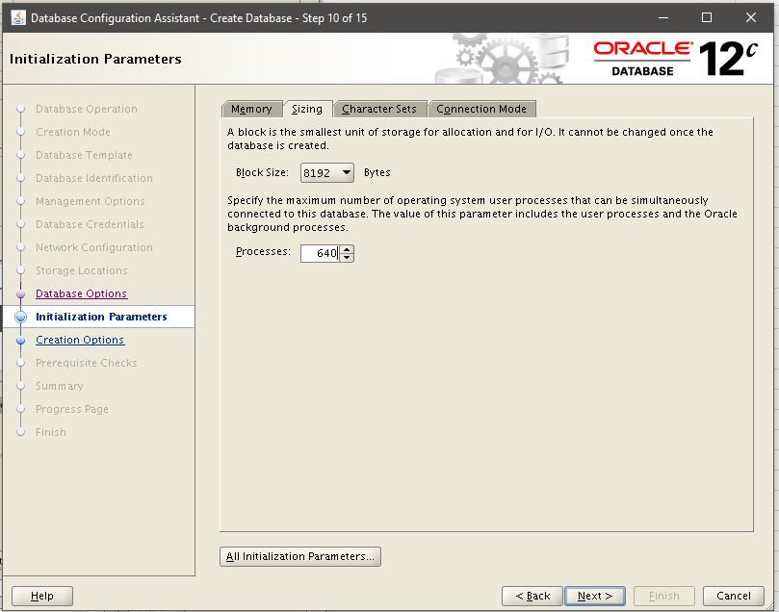

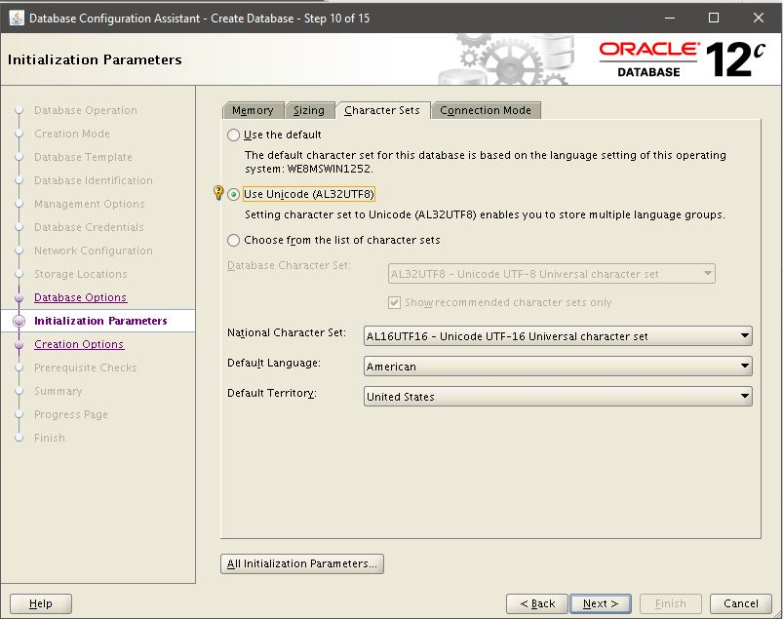

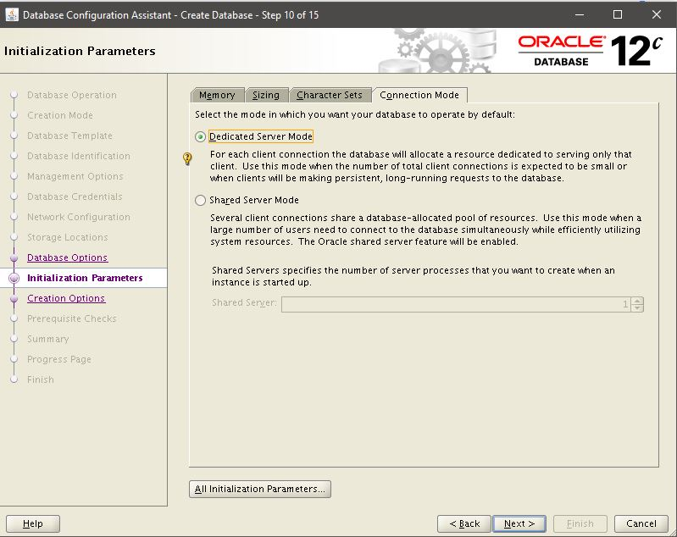

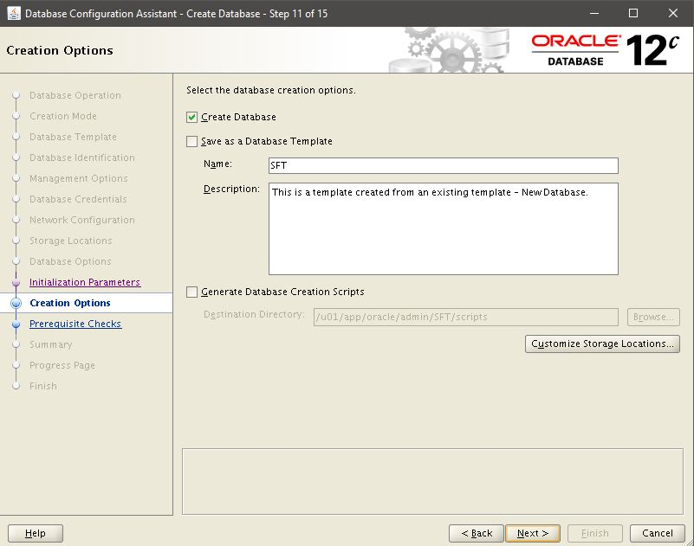

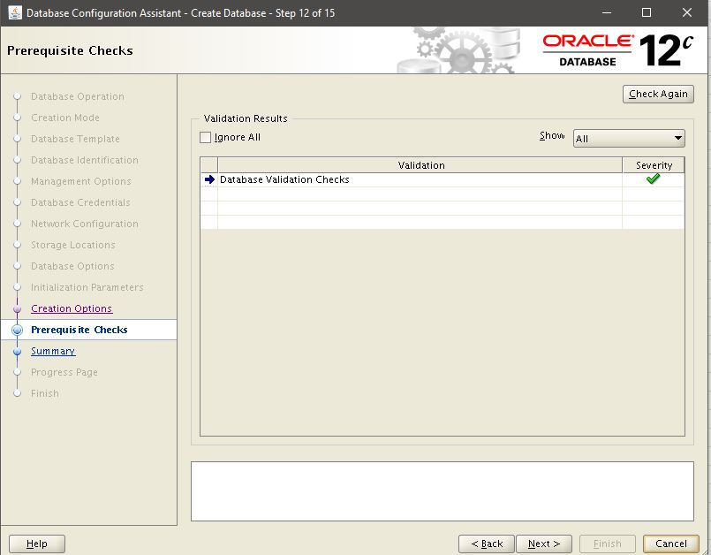

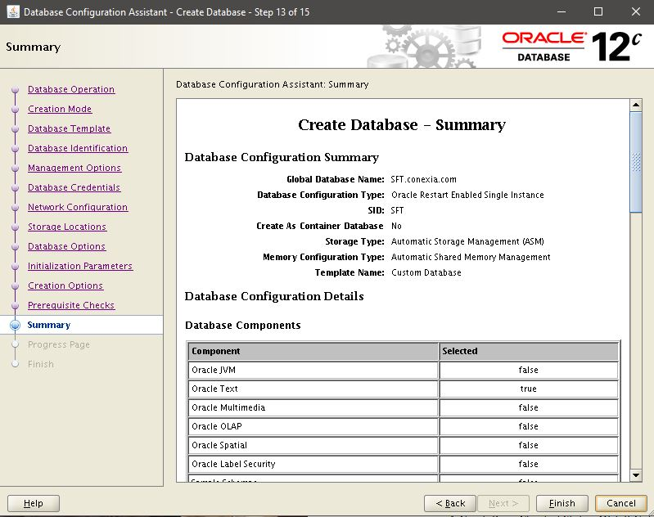

Finish!!!

firewall-cmd --permanent --add-rich-rule='rule family="ipv4" source address="192.168.151.0/24" port protocol="tcp" port="1521" accept'
firewall-cmd --permanent --add-rich-rule='rule family="ipv4" source address="192.168.80.0/24" port protocol="tcp" port="1521" accept'
firewall-cmd --permanent --direct --add-rule ipv4 filter INPUT 0 -m pkttype --pkt-type multicast -j ACCEPT
firewall-cmd --permanent --direct --add-rule ipv6 filter INPUT 0 -m pkttype --pkt-type multicast -j ACCEPT
firewall-cmd --reload

